USIM
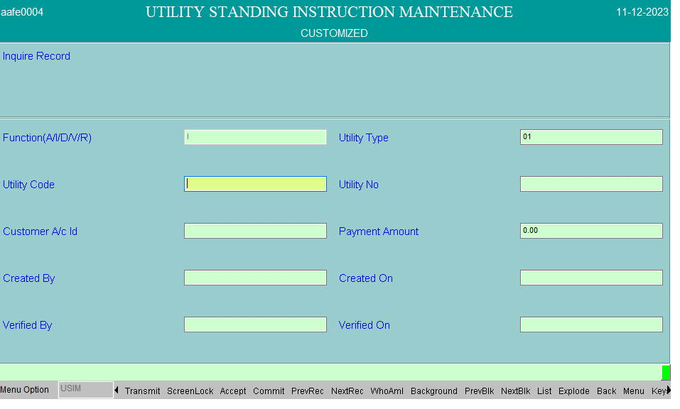

casba
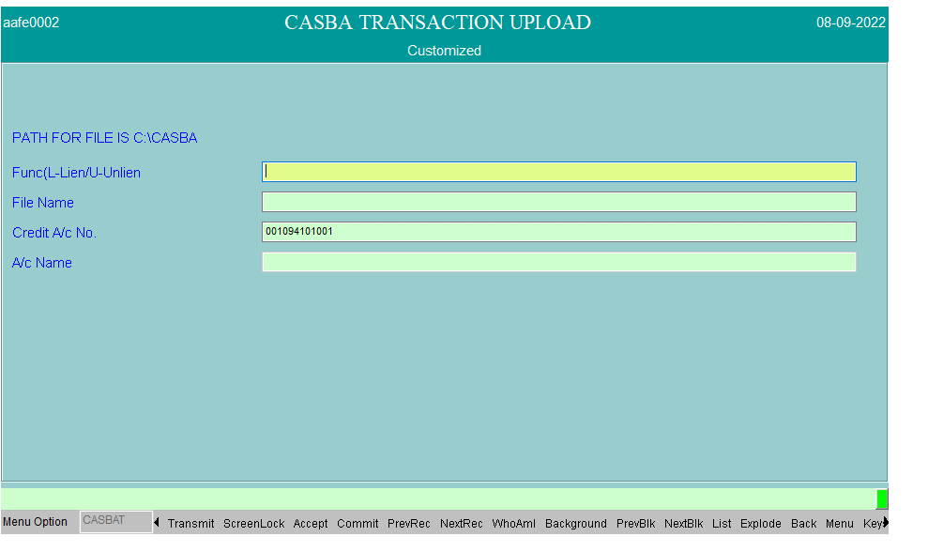
CASBAT

 | CASBAT

TM conductor details
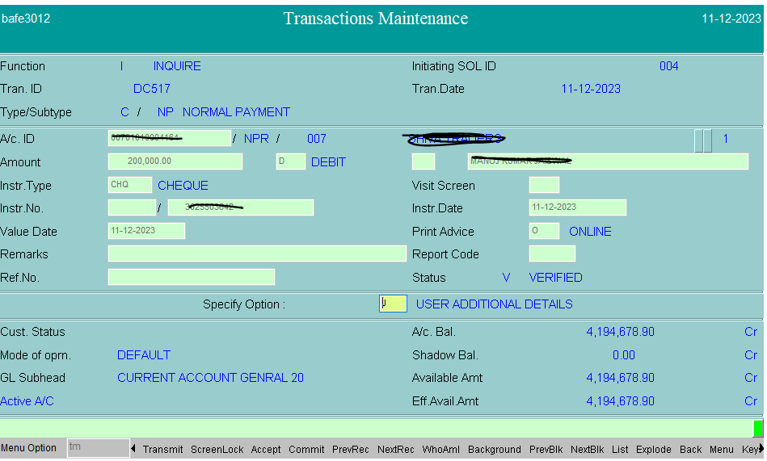

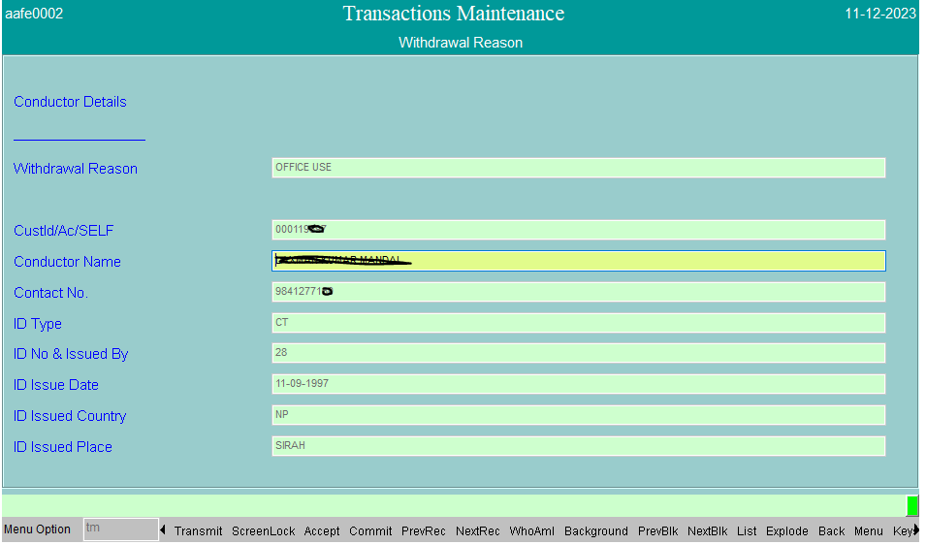

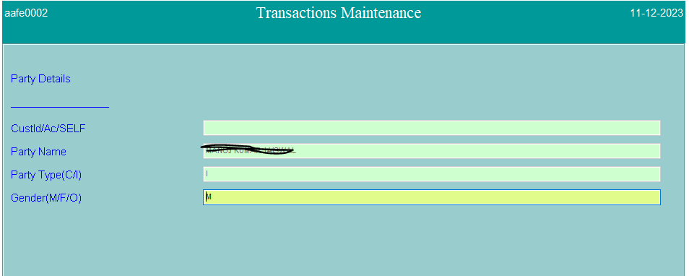

Table Details

gfp
FUNCTION |  | SCRIPT FILE | TABLE NAME | DESCRIPTION
A | ADD | gfp.scr | TBAADM.CUST_GOOD_FOR_PAYMENT (C_GFP_NEW),TBAADM.CUST_GFPDATA_TABLE | CUSTOMER AC DEBIT, 001092401003 PAYABLE ACCOUNT CR
V | VERIFY |  | DST ,DDC
D | DELETE
I | INQUIRY

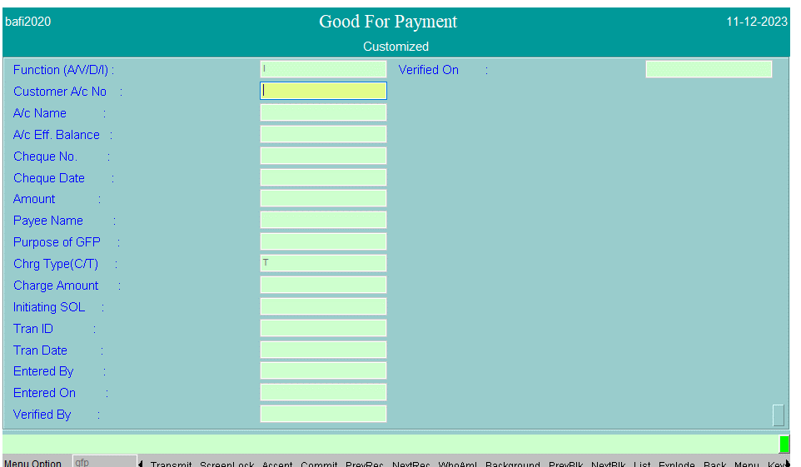

SELECT * FROM C_GFP_NEW WHERE CHQ_DATE ='11-12-2023'
AND CHQ_NUM ='3026357695'

SELECT * FROM DST WHERE DD_NUM =' 3026357695'

SELECT * FROM DDC WHERE TRAN_DATE ='11-12-2023'
AND DD_NUM =' 3026357695'

